Sheet1
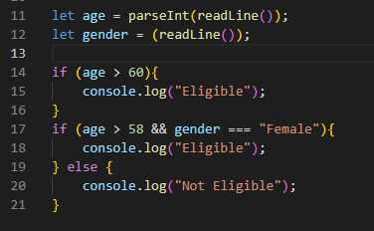
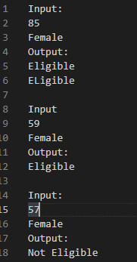

Line number | age | gender | working | output
11 | 85 |  | Assigning age = 85
12 |  | Female | Assigning gender = Female
14 |  |  | 85 > 60 => true
15 |  |  |  | Eligible
17 |  |  | 85 > 58 => true and gender = "Female"
18 |  |  |  | Eligible

11 | 59 |  | Assign age = 59
12 |  | Female | Assign gender = Female
14 |  |  | 59 > 60 => False
17 |  |  | 59> 58 => True and gender = "Female"
18 |  |  |  | Eligible

11 | 59 |  | Assign age = 57
12 |  | Female | Assign gender = Female
14 |  |  | 57>57 => false
17 |  |  | 57 > 58 => False
20 |  |  |  | Not Eligible

